Goal Module
SAP SuccessFactors Test Log - 2025 Goal Template
Team Member = Henry Howard
Manager = Alex Anderson
Step ID | Process Step | Purpose/Condition | Test Step Name | Tester Name | Test Date | Instruction | Key Data | Expected Result | Pass/Fail | Comments
1 | Log into Test Instance for SF | To ensure HRBPs can log into test instance | Test Instance Login |  |  | Use link: https://hcm4preview.sapsf.com/sf/home?bplte_company=FLtest | Company Code = FLtest | Login Successful | Pass
2 | Navigate to Goals | Navigate to Goals | Navigate to Goals |  |  | Navigate to Goals by either selecting the "Manage My Goals" icon on your dashboard or selecting "Goals" from the "Home" menu drop-down list. |  | Navigation Successful | Pass
3 | 2025 Goal Template - V3 Proposal Automatically Populates | Ensure correct template for goal form auto-populates | Goal Template Populates |  |  | Review that you do not need to click on the goal templates to view the 2025 template. 2025 Goal Form - V3 template should be automatically visible when you access the Goals module. |  | 2025 Goal Template populates automatically | Pass
4 | Review "Introduction Tab" | Review language for category definitions and hyperlinks. | Introduction |  |  | If not already open, click on "Click here to expand goal planning details" button. NOTE: These definitions and hyperlinks are not finalized. Review the Introduction section and notate if the lanuage used to describe the goal category, min/max, and weighting is sufficient. Check that the hyperlinks are opening in a new tab instead of the current window. |  | Verbiage clearly explains the goal categories, min/max, weightings, and hyperlinks open in a new window. | Pass
5 | Add Goal | Ability to create a new goal | Create Goal |  |  | Click on "Create Goal" in upper right-hand part of goal page. Click on "Create a goal from Scratch". | 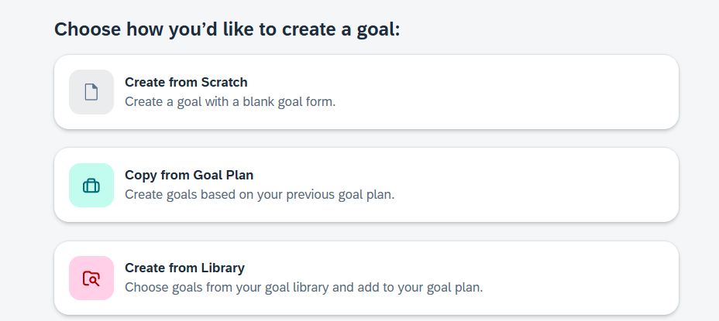 | Able to select create a new goal. | Pass
6 | Add Goal continued | Create a new goal using all of the fields. | Personal Goal |  |  | Input information for all required areas. |  | A new goal will be created on goal plan. | Pass
7 | Add Library Goals | Review that the Library Goals are visible and can be selected. | Library Goals |  |  | Click on "Create Goal," then select "Create from Library". NOTE: Not all library goals have been updated to be reflected in the library that we will use in the live goal form. Select which goal you want to add to your goal plan. You will need to edit the goal to fill out the remaining missing information that is not prepopulated for the goal library option. |  | Library goals visible and can be selected to utilize when creating a goal. . | Pass
8 | Edit Goal | Ensure the user can edit and update an existing goal on their goal plan. | Edit Goal |  |  | Click on the specific goal tile card or the ellipses to "Edit Goal". Test through removing a required field (specifically a text box) and saving it as blank. Note: Key Results Area has a defaulted field called "Select One..." which ensures TMs are being prompted to change the priority their goal should be aligned to. Test through entering in information into the required field and saving it afterward. |  | If a goal is missing information in a required field, you should see an error message and a red highlighted field for the missing info. Once the information is filled out, you should be able to save the updated to the goal. | Pass
9 | Min/Max Error Icon | Ensure the "I" icon populates next to the number of goals listed on the goal form. |  |  |  | If you currently have 1-2 goals on the goal plan, you should be prompted with an error message for a recommended amount of goals needed for the goal plan. |  | "I" icon populates and displays the message "It's recommended that you create at least 4 goals." | Pass
10 | Create More Goals | Create more goals with the weighting not totaling 100% on the overall form. |  |  |  | Ensure you have at least 3 goals in Business Goals created, and 2 goals in People and Culture Goals created. At least one of the goals should have too high of a weight. The system will not flag if the goal form is under the 100% weight. While the user is prompted with a warning on the weighting, they can technically save the goal. Make sure you save the goal as is with high weight. Note: we will be testing that the weighting error icon pops up next. | 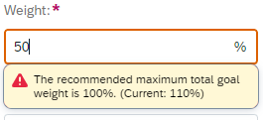 | You should have a total of 5 goals created in total on the goal form. | Pass
11 | Weighting Error Icon | Ensure the "I" icon populates next to the number of goals listed on the goal form. |  |  |  | Now that you have 5 goals on the goal plan, ensure the "I" icon populates again next to the goal count as the goal form should not be totaling to 100% at this time. |  | "I" icon populates and displays the a message concerning weighting and how much the current weight total of the form is and the recommended amount of 100%. | Pass
12 | Weight Goals | To weight all the goals up to 100% on the goal form. |  |  |  | Go back and weight your Business Goals to a total of 70% and weight your People and Culture Goals to a total of 30%. The overall goal form should total 100%. |  | You should have a total of 100% weight for the entire goal form and there should be no "I" icon appearing on the top of your goal plan anymore. | Pass
13 | Cascade Goals | Check that goals can be cascaded to TMs | Cascade Goals |  |  | Click on the specific goal tile card or the ellipses to "Cascade Goal". (Or click on "Cascade Goal" at the top of the page" Cascade a goal through the "From My Team" prepopulated list. Cascade a goal through the "Via Search" function. Note: Searching is limited to the population you can currently see in the system. Managers can only see their direct reporting line, HR Champions can only see their TMs they support, etc. | NOTE: Managers can cascade goals within their direct reporting line. | Cascading of goals is enabled and working. | Pass
14 | Goal Deletion | Check that a TM can edit delete their own goal. | Delete Existing Goal |  |  | Click on a specific goal tile card or the ellipses on a goal tile card. Select "Delete Goal" to delete the existing goal. |  | You should be able to delete the goal and it will be removed from your goal plan. | Pass
15 | People Selector Tool | Check permissions for visibility to TM goal plans | Goal Plan Visibility |  |  | While in your goal plan, try to click on your manager's or another leader to view the goal plan. You should NOT be able to access a leader's goal plan. Search for or select TMs to view their goal plans within the search bar. You should not be able to see goal plans of your peers or other TMs as well. You are looking to see that you can only view your direct reports (if applicable) and functional leader's team that you support. | 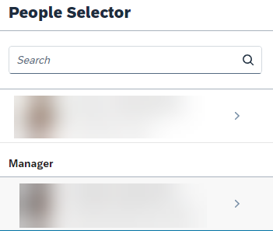 | Visbility permissions are working as expected. TMs can only see their own goal plans. Managers can see their own goal plan and those who report up to them. 3rd Level Managers can see their roll up TMs. HRBPs will have to search to locate a TM but they can only see the TMs who they support as HR Champion. | Pass
16 | Goal State Approval | Check that Managers can Lock/Unlock (Approve/Unapprove) goal plans for their team members | Goal Plan State Approval |  |  | Proxy as your test manager and navigate to your team member goal form. Ensure you can change the drop down option for the "State" from Unapproved to Approved. Changing the state of the goal plan to Approved should lock the goal plan from Team Members editing the goal plan. Log back in as your test team member and see if you can edit your goal plan. If you cannot edit then the goal state approval is working. To edit the goal plan, proxy back in as your manager and unapprove the team member's goal plan. Log back in as your test user and ensure that you have the edit capability again. | 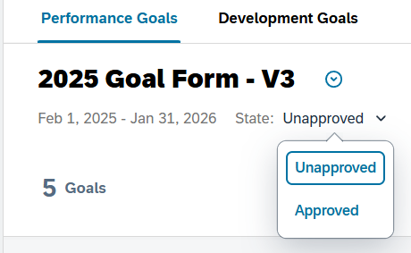 | While the goal state is in the Approved process, you cannot edit your goal plan. When the goal plan has moved back to the unapproved state, you can resume editing goals. | Pass

